Hiearchy View
CLASS: SOLDERING STATION
multipurpose power soldering device designed for electronic components soldering. This type of equipment is mostly used in electronics and electrical engineering. |  | 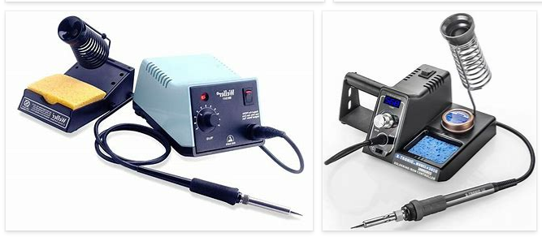
REMOVE | N

PROBLEM_DESC | CAUSE_DESC | REMEDY_DESC
BROKEN/DAMAGED
OTHER PROBLEM
OVERHEATING
POWER-ELEC
SMELL
STOPPED/SLOWED/POOR OPS
TEMP-CTRL
Grand Total

